Attribution
This master schedule solution was developed by and is the property of J. Phillip Saroyan.
Permission for use is granted to the College & Career Academy Support Network (CCASN)
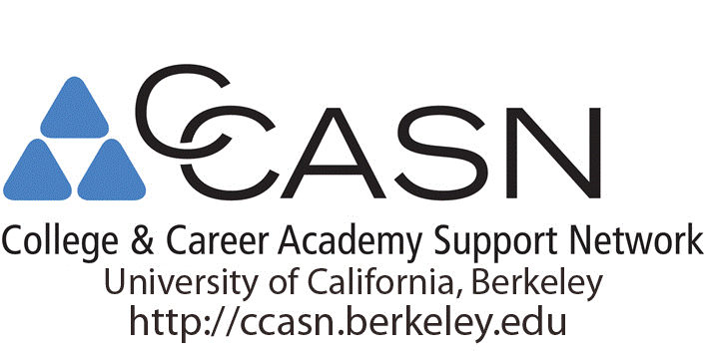

 |  | and others for educational use with attribution.
 | This solution is distributed free of charge and may not be sold.
 |  | ©1986, 2014, Saroyan Solutions
 | For comments, suggestions and assistance, contact the author at:
 |  |  | jp9@jps.net

